CAPM
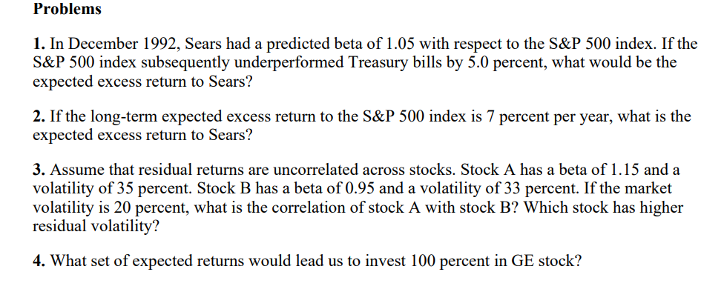
Company | Historical Beta | BARRA Predicted Beta
American Express | 1.21 | 1.14
AT & T | 0.96 | 0.69
Chevron | 0.46 | 0.66
Coca Cola | 0.96 | 1.03
Disney | 1.23 | 1.13
Dow | 1.13 | 1.05
Dupont | 1.09 | 0.9
Eastman Kodak | 0.6 | 0.93
Exxon | 0.46 | 0.69
General Electric | 1.3 | 1.08
General Motors | 0.9 | 1.15 |  | 1) | -5.25% |  | 3) | A) | beta= | 1.15 | sigma^2= | 35% | WpA= | 8.5500% | Market | sigma^2= | 20%
IBM | 0.64 | 1.3 |  | 2) | 7.350% |  |  | B0 | beta= | 0.95 | sigma^2= | 33% | WpB= | 14.9500%
International Paper | 1.18 | 1.07
Johnson & Johnson | 1.13 | 1.09
McDonalds | 1.06 | 1.03
Merck | 1.06 | 1.11
MMM | 0.74 | 0.97
Philip Morris | 0.94 | 1
Procter & Gamble | 1 | 1.01
Sears | 1.05 | 1.05

 |  | MONTLY XPP | LN | LN | (Dt/Dt-1)-1 |  |  |  | Cov.P | Var.P
 | Adj Close** | Adj Close** | SP500% | AVX % | SP500% | AVX % |  | Beta(LN)= | 0.00177935846 | 0.0014438064799 | 1.2324078641
 | 435.71 | 3.98 | SP500% | AVX % | SP500% | AVX % |  | Beta((Dt/Dt-1)-1) | 0.001803951372 | 0.001425085618 | 1.2658547312
 | 431.35 | 3.66 | -1.01% | -8.38% | -0.010006655803 | -0.08040201005 |  |  | Cov.S | Var.S
 | 418.68 | 3.42 | -2.98% | -6.78% | -0.029372899038 | -0.065573770492 |  | Beta(LN)= | 0.0018100370542 | 0.001468699695 | 1.2324078641
 | 417.8 | 3.46 | -0.21% | 1.16% | -0.0021018438903 | 0.011695906433 |  | Beta((Dt/Dt-1)-1) | 0.0018350539819 | 0.0014496560597 | 1.2658547312
 | 414.03 | 3.31 | -0.91% | -4.43% | -0.0090234561991 | -0.043352601156
 | 424.21 | 3.64 | 2.43% | 9.50% | 0.024587590271 | 0.099697885196
 | 408.14 | 3.64 | -3.86% | 0.00% | -0.037882180995 | 0
 | 415.35 | 3.56 | 1.75% | -2.22% | 0.017665506934 | -0.021978021978
 | 414.95 | 3.52 | -0.10% | -1.13% | -0.00096304321656 | -0.011235955056
 | 403.69 | 3.54 | -2.75% | 0.57% | -0.027135799494 | 0.0056818181818
 | 412.7 | 3.25 | 2.21% | -8.55% | 0.022319106245 | -0.081920903955
 | 408.78 | 3.2 | -0.95% | -1.55% | -0.0094984250061 | -0.015384615385
 | 417.09 | 3.14 | 2.01% | -1.89% | 0.020328783209 | -0.01875
 | 375.22 | 2.91 | -10.58% | -7.61% | -0.10038600782 | -0.073248407643
 | 392.45 | 2.91 | 4.49% | 0.00% | 0.045919727093 | 0
 | 387.86 | 3.89 | -1.18% | 29.03% | -0.011695757421 | 0.33676975945
 | 395.43 | 4.02 | 1.93% | 3.29% | 0.019517351622 | 0.033419023136
 | 387.81 | 3.85 | -1.95% | -4.32% | -0.019270161596 | -0.042288557214
 | 371.16 | 3.38 | -4.39% | -13.02% | -0.042933395219 | -0.12207792208
 | 389.83 | 3.85 | 4.91% | 13.02% | 0.050301756655 | 0.13905325444
 | 375.34 | 3.72 | -3.79% | -3.43% | -0.037170048483 | -0.033766233766
 | 375.22 | 4.3 | -0.03% | 14.49% | -0.00031971012948 | 0.15591397849
 | 367.07 | 3.57 | -2.20% | -18.60% | -0.021720590587 | -0.16976744186
 | 343.93 | 3.39 | -6.51% | -5.17% | -0.063039747187 | -0.050420168067
 | 330.22 | 3.04 | -4.07% | -10.90% | -0.039862762771 | -0.10324483776
 | 322.22 | 3.02 | -2.45% | -0.66% | -0.024226273393 | -0.0065789473684
 | 304 | 2.75 | -5.82% | -9.37% | -0.056545217553 | -0.08940397351
 | 306.05 | 3.08 | 0.67% | 11.33% | 0.0067434210526 | 0.12
 | 322.56 | 3.51 | 5.25% | 13.07% | 0.053945433753 | 0.13961038961
 | 356.15 | 4.24 | 9.91% | 18.89% | 0.10413566468 | 0.20797720798
 | 358.02 | 4.45 | 0.52% | 4.83% | 0.0052505966587 | 0.049528301887
 | 361.23 | 4.23 | 0.89% | -5.07% | 0.0089659795542 | -0.049438202247
 | 330.8 | 3.89 | -8.80% | -8.38% | -0.084239957922 | -0.080378250591
 | 339.94 | 3.69 | 2.73% | -5.28% | 0.027629987908 | -0.051413881748
 | 331.89 | 4.17 | -2.40% | 12.23% | -0.023680649526 | 0.13008130081
 | 329.08 | 4.26 | -0.85% | 2.14% | -0.0084666606406 | 0.021582733813
 | 353.4 | 4.96 | 7.13% | 15.21% | 0.073903002309 | 0.16431924883
 | 345.99 | 5.05 | -2.12% | 1.80% | -0.020967741935 | 0.01814516129
 | 340.36 | 5.15 | -1.64% | 1.96% | -0.016272146594 | 0.019801980198
 | 349.15 | 5.11 | 2.55% | -0.78% | 0.025825596427 | -0.0077669902913
 | 351.45 | 5.25 | 0.66% | 2.70% | 0.0065874266075 | 0.027397260274
 | 346.08 | 5.27 | -1.54% | 0.38% | -0.015279556125 | 0.0038095238095
 | 317.98 | 4.67 | -8.47% | -12.09% | -0.081195099399 | -0.11385199241
 | 320.52 | 4.55 | 0.80% | -2.60% | 0.0079879237688 | -0.025695931478
 | 309.64 | 4.54 | -3.45% | -0.22% | -0.033944839636 | -0.0021978021978
 | 294.87 | 4.42 | -4.89% | -2.68% | -0.047700555484 | -0.026431718062
 | 288.86 | 4.12 | -2.06% | -7.03% | -0.020381863194 | -0.067873303167
 | 297.47 | 4.29 | 2.94% | 4.04% | 0.029806826837 | 0.041262135922
 | 277.72 | 3.69 | -6.87% | -15.07% | -0.066393249739 | -0.13986013986
 | 273.7 | 3.74 | -1.46% | 1.35% | -0.014475010802 | 0.013550135501
 | 278.97 | 3.73 | 1.91% | -0.27% | 0.019254658385 | -0.0026737967914
 | 271.91 | 3.85 | -2.56% | 3.17% | -0.025307380722 | 0.032171581769
 | 261.52 | 3.94 | -3.90% | 2.31% | -0.038211172815 | 0.023376623377
 | 272.02 | 3.84 | 3.94% | -2.57% | 0.040149892934 | -0.02538071066
 | 273.5 | 3.76 | 0.54% | -2.11% | 0.0054407764135 | -0.020833333333
 | 262.16 | 3.45 | -4.23% | -8.60% | -0.041462522852 | -0.082446808511
 | 261.33 | 3.25 | -0.32% | -5.97% | -0.0031660054928 | -0.057971014493
 | 258.89 | 3.31 | -0.94% | 1.83% | -0.0093368537864 | 0.018461538462
 | 267.82 | 3.53 | 3.39% | 6.43% | 0.034493414191 | 0.066465256798
 | 257.07 | 3.53 | -4.10% | 0.00% | -0.040138899261 | 0

